instructions
Instructiones
1.- Write the latitude and longitude below A1 and B1

2.- Select "Extensions- > Apps Script" from the top menu

3.- While having the "geo" sheet active, press "Execute" to run the script (you'll need to give permissions to google)
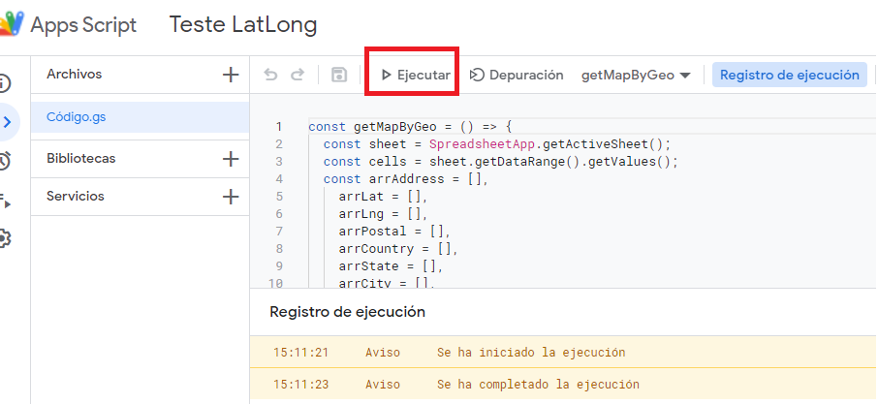

4.- See the results in columns C to L

